Question 6
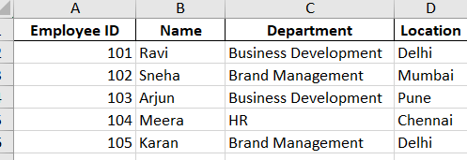
Question 6: Create a worksheet titled 'Employee Data' with columns: Name, Age, Department. Add 5 rows of data.
Here’s a worksheet attached with titled 'Employee Data' with columns: Name, Age, Department wherw 5 rows of data has been added.

Employee Data
Name | Age | Department | Location
ritika | 26 | CGP | Angul
raj | 28 | Technical | Baramer
rupam | 29 | Technical | Angul
chandel | 28 | CGP | Gurugaon
Manisha | 27 | CGP | Raipur

